Schedule
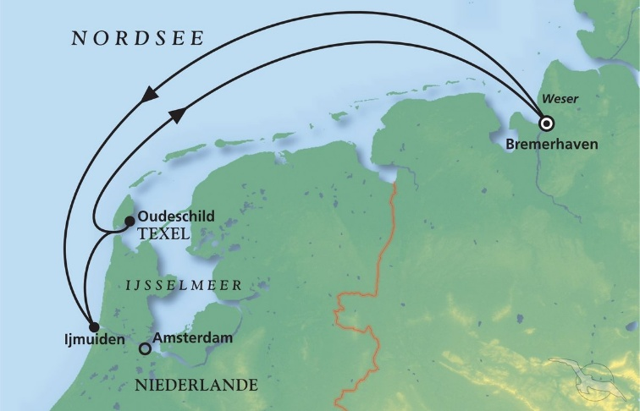
Schnuppertörn über das Wochenende
AMR140 | 4 Tage | 14.08.2025 - 18.08.2025 |  |  |  |  |  |  | PAX: 702

D | Date | Day | A/B/C | STA | STD | Port | Port Code
1 | 14-Aug-25 | 2025-08-14 | B | 9:00:00 | - | Bremerhaven | DEBRV
 | 15-Aug-25 | 2025-08-15 | B | - | 19:00:00 | Bremerhaven | DEBRV
2 | 16-Aug-25 | 2025-08-16 | B | 13:00:00 | 23:00:00 | Ijmuiden | NLIJM
3 | 17-Aug-25 | 2025-08-17 | A | 7:00:00 | 14:00:00 | Oudeschild, Texel | NLTEX
- | 18-Aug-25 | 2025-08-18 | B | 9:00:00 | - | Bremerhaven | DEBRV

